Dashboard
CRM and Sales Dashboard

Revenue vs Products
Revenue vs Product Series
Revenue vs Sales Agent

Revenue vs Sector
Revenue vs Manager

Deals Summary
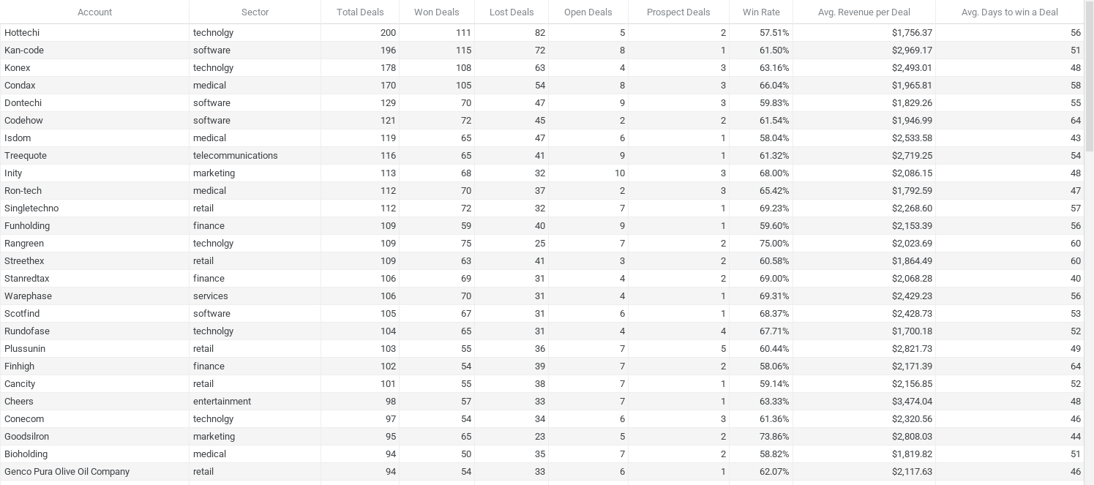
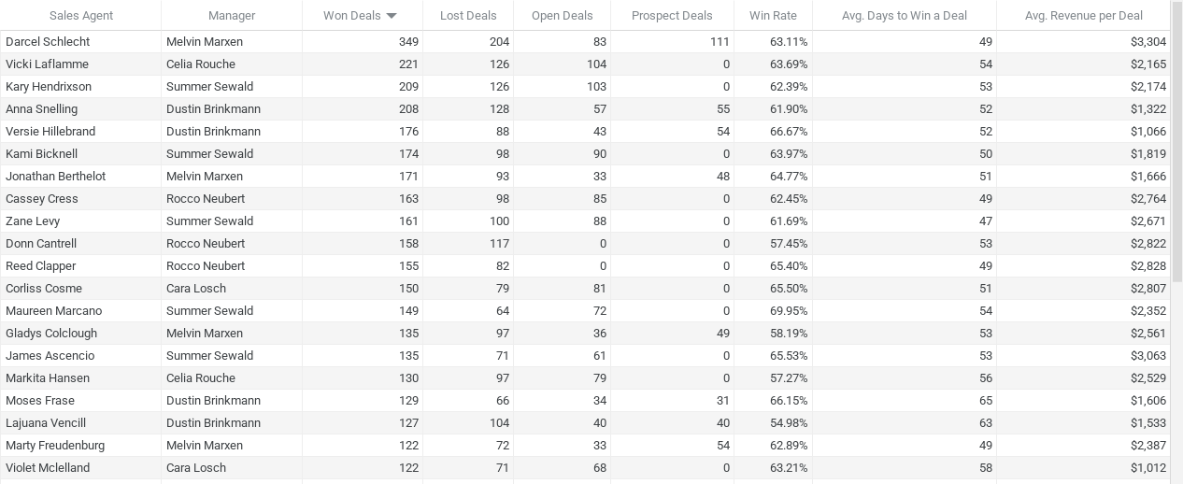
Sales Agent | Manager | Total Deals | Won Deals | Lost Deals | Open Deals | Prospect Deals | Win Rate | Avg. Days to Win a Deal | Avg. Revenue per Deal | Account | Sector | Total Deals | Won Deals | Lost Deals | Open Deals | Prospect Deals | Win Rate | Avg. Revenue per Deal | Avg. Days to win a Deal
Darcel Schlecht | Melvin Marxen | 747 | 349 | 204 | 83 | 111 | 63.11% | 49 | $3,304 | Hottechi | technolgy | 200 | 111 | 82 | 5 | 2 | 57.51% | $1,756.37 | 56
Vicki Laflamme | Celia Rouche | 451 | 221 | 126 | 104 | 0 | 63.69% | 54 | $2,165 | Kan-code | software | 196 | 115 | 72 | 8 | 1 | 61.50% | $2,969.17 | 51
Anna Snelling | Dustin Brinkmann | 448 | 208 | 128 | 57 | 55 | 61.90% | 52 | $1,322 | Konex | technolgy | 178 | 108 | 63 | 4 | 3 | 63.16% | $2,493.01 | 48
Kary Hendrixson | Summer Sewald | 438 | 209 | 126 | 103 | 0 | 62.39% | 53 | $2,174 | Condax | medical | 170 | 105 | 54 | 8 | 3 | 66.04% | $1,965.81 | 58
Kami Bicknell | Summer Sewald | 362 | 174 | 98 | 90 | 0 | 63.97% | 50 | $1,819 | Dontechi | software | 129 | 70 | 47 | 9 | 3 | 59.83% | $1,829.26 | 55
Versie Hillebrand | Dustin Brinkmann | 361 | 176 | 88 | 43 | 54 | 66.67% | 52 | $1,066 | Codehow | software | 121 | 72 | 45 | 2 | 2 | 61.54% | $1,946.99 | 64
Zane Levy | Summer Sewald | 349 | 161 | 100 | 88 | 0 | 61.69% | 47 | $2,671 | Isdom | medical | 119 | 65 | 47 | 6 | 1 | 58.04% | $2,533.58 | 43
Cassey Cress | Rocco Neubert | 346 | 163 | 98 | 85 | 0 | 62.45% | 49 | $2,764 | Treequote | telecommunications | 116 | 65 | 41 | 9 | 1 | 61.32% | $2,719.25 | 54
Jonathan Berthelot | Melvin Marxen | 345 | 171 | 93 | 33 | 48 | 64.77% | 51 | $1,666 | Inity | marketing | 113 | 68 | 32 | 10 | 3 | 68.00% | $2,086.15 | 48
Gladys Colclough | Melvin Marxen | 317 | 135 | 97 | 36 | 49 | 58.19% | 53 | $2,561 | Ron-tech | medical | 112 | 70 | 37 | 2 | 3 | 65.42% | $1,792.59 | 47
Lajuana Vencill | Dustin Brinkmann | 311 | 127 | 104 | 40 | 40 | 54.98% | 63 | $1,533 | Singletechno | retail | 112 | 72 | 32 | 7 | 1 | 69.23% | $2,268.60 | 57
Corliss Cosme | Cara Losch | 310 | 150 | 79 | 81 | 0 | 65.50% | 51 | $2,807 | Funholding | finance | 109 | 59 | 40 | 9 | 1 | 59.60% | $2,153.39 | 56
Markita Hansen | Celia Rouche | 306 | 130 | 97 | 79 | 0 | 57.27% | 56 | $2,529 | Rangreen | technolgy | 109 | 75 | 25 | 7 | 2 | 75.00% | $2,023.69 | 60
Maureen Marcano | Summer Sewald | 285 | 149 | 64 | 72 | 0 | 69.95% | 54 | $2,352 | Streethex | retail | 109 | 63 | 41 | 3 | 2 | 60.58% | $1,864.49 | 60
Marty Freudenburg | Melvin Marxen | 281 | 122 | 72 | 33 | 54 | 62.89% | 49 | $2,387 | Stanredtax | finance | 106 | 69 | 31 | 4 | 2 | 69.00% | $2,068.28 | 40
Donn Cantrell | Rocco Neubert | 275 | 158 | 117 | 0 | 0 | 57.45% | 53 | $2,822 | Warephase | services | 106 | 70 | 31 | 4 | 1 | 69.31% | $2,429.23 | 56
James Ascencio | Summer Sewald | 267 | 135 | 71 | 61 | 0 | 65.53% | 53 | $3,063 | Scotfind | software | 105 | 67 | 31 | 6 | 1 | 68.37% | $2,428.73 | 53
Violet Mclelland | Cara Losch | 261 | 122 | 71 | 68 | 0 | 63.21% | 58 | $1,012 | Rundofase | technolgy | 104 | 65 | 31 | 4 | 4 | 67.71% | $1,700.18 | 52
Moses Frase | Dustin Brinkmann | 260 | 129 | 66 | 34 | 31 | 66.15% | 65 | $1,606 | Plussunin | retail | 103 | 55 | 36 | 7 | 5 | 60.44% | $2,821.73 | 49
Daniell Hammack | Rocco Neubert | 259 | 114 | 73 | 72 | 0 | 60.96% | 47 | $3,195 | Finhigh | finance | 102 | 54 | 39 | 7 | 2 | 58.06% | $2,171.39 | 64
Niesha Huffines | Melvin Marxen | 239 | 105 | 70 | 30 | 34 | 60.00% | 55 | $1,685 | Cancity | retail | 101 | 55 | 38 | 7 | 1 | 59.14% | $2,156.85 | 52
Reed Clapper | Rocco Neubert | 237 | 155 | 82 | 0 | 0 | 65.40% | 49 | $2,828 | Cheers | entertainment | 98 | 57 | 33 | 7 | 1 | 63.33% | $3,474.04 | 48
Boris Faz | Rocco Neubert | 210 | 101 | 52 | 57 | 0 | 66.01% | 48 | $2,590 | Conecom | technolgy | 97 | 54 | 34 | 6 | 3 | 61.36% | $2,320.56 | 46
Cecily Lampkin | Dustin Brinkmann | 203 | 107 | 53 | 19 | 24 | 66.88% | 42 | $2,148 | Goodsilron | marketing | 95 | 65 | 23 | 5 | 2 | 73.86% | $2,808.03 | 44
Hayden Neloms | Celia Rouche | 202 | 107 | 45 | 50 | 0 | 70.39% | 51 | $2,543 | Bioholding | medical | 94 | 50 | 35 | 7 | 2 | 58.82% | $1,819.82 | 51
Elease Gluck | Celia Rouche | 177 | 80 | 46 | 51 | 0 | 63.49% | 44 | $3,615 | Genco Pura Olive Oil Company | retail | 94 | 54 | 33 | 6 | 1 | 62.07% | $2,117.63 | 46
Rosie Papadopoulos | Cara Losch | 160 | 78 | 43 | 39 | 0 | 64.46% | 43 | $2,951 | Xx-zobam | entertainment | 94 | 46 | 37 | 7 | 4 | 55.42% | $2,942.30 | 46
Rosalina Dieter | Celia Rouche | 160 | 72 | 38 | 50 | 0 | 65.45% | 54 | $3,269 | Betatech | medical | 92 | 53 | 33 | 5 | 1 | 61.63% | $2,026.57 | 42
Garret Kinder | Cara Losch | 123 | 75 | 48 | 0 | 0 | 60.98% | 52 | $2,637 | dambase | marketing | 92 | 54 | 37 | 1 | 0 | 59.34% | $2,155.44 | 57
Wilburn Farren | Cara Losch | 110 | 55 | 24 | 31 | 0 | 69.62% | 57 | $2,866 | Y-corporation | employment | 92 | 54 | 31 | 7 | 0 | 63.53% | $2,433.83 | 55
Mei-Mei Johns | Melvin Marxen | 0 | 0 | 0 | 0 | 0 | 0.00% | 0 | $0 | Donquadtech | technolgy | 91 | 55 | 22 | 9 | 5 | 71.43% | $2,690.47 | 53
Elizabeth Anderson | Cara Losch | 0 | 0 | 0 | 0 | 0 | 0.00% | 0 | $0 | Globex Corporation | technolgy | 91 | 50 | 35 | 4 | 2 | 58.82% | $2,314.24 | 54
Natalya Ivanova | Rocco Neubert | 0 | 0 | 0 | 0 | 0 | 0.00% | 0 | $0 | Finjob | employment | 89 | 57 | 24 | 4 | 4 | 70.37% | $2,238.05 | 53
Carol Thompson | Celia Rouche | 0 | 0 | 0 | 0 | 0 | 0.00% | 0 | $0 | Faxquote | telecommunications | 88 | 48 | 28 | 7 | 5 | 63.16% | $2,365.77 | 57
Carl Lin | Summer Sewald | 0 | 0 | 0 | 0 | 0 | 0.00% | 0 | $0 | Gekko & Co | retail | 88 | 60 | 25 | 3 | 0 | 70.59% | $2,245.52 | 49
TOTAL |  | 8800 | 4238 | 2473 | 1589 | 500 | 54.44% | 44 | $2,056 | Mathtouch | marketing | 88 | 52 | 29 | 7 | 0 | 64.20% | $3,141.13 | 49
 |  |  |  |  | 18.06% | 5.68% |  |  |  | Hatfan | services | 87 | 43 | 33 | 9 | 2 | 56.58% | $2,742.84 | 52
 |  |  |  |  |  |  |  |  |  | Xx-holding | finance | 87 | 48 | 31 | 8 | 0 | 60.76% | $3,528.27 | 50
Product | Series | Total Deals | Won Deals | Lost Deals | Open Deals | Prospect Deals | Win Rate | Avg. Days to Win a Deal | Avg. Revenue per Deal | Fasehatice | retail | 85 | 49 | 32 | 2 | 2 | 60.49% | $2,592.02 | 50
GTX Basic | GTX | 1,866 | 915 | 521 | 337 | 93 | 63.72% | 55 | $546 | Scottech | marketing | 84 | 48 | 29 | 6 | 1 | 62.34% | $1,715.83 | 50
GTXPro | GTX | 1,480 | 729 | 418 | 253 | 80 | 63.56% | 48 | $4,816 | Umbrella Corporation | finance | 84 | 48 | 29 | 7 | 0 | 62.34% | $3,181.27 | 50
GTX Plus Pro | GTX | 968 | 479 | 266 | 176 | 47 | 64.30% | 52 | $5,490 | Blackzim | retail | 83 | 41 | 30 | 9 | 3 | 57.75% | $2,139.39 | 52
GTX Plus Basic | GTX | 1,383 | 653 | 398 | 258 | 74 | 62.13% | 52 | $1,080 | Domzoom | entertainment | 83 | 53 | 25 | 5 | 0 | 67.95% | $1,879.98 | 42
GTK 500 | GTK | 40 | 15 | 10 | 15 | 0 | 60.00% | 64 | $26,707 | Plexzap | retail | 82 | 47 | 27 | 4 | 4 | 63.51% | $3,084.60 | 55
MG Special | MG | 1,651 | 793 | 430 | 308 | 120 | 64.84% | 51 | $55 | Ganjaflex | retail | 81 | 46 | 29 | 4 | 2 | 61.33% | $2,684.91 | 56
MG Advanced | MG | 1,412 | 654 | 430 | 242 | 86 | 60.33% | 52 | $3,389 | Green-Plus | services | 81 | 41 | 31 | 6 | 3 | 56.94% | $2,421.78 | 50
 |  |  |  |  |  |  |  |  |  | Labdrill | medical | 81 | 46 | 25 | 9 | 1 | 64.79% | $3,045.35 | 61
 |  |  |  |  |  |  |  |  |  | Gogozoom | telecommunications | 79 | 51 | 22 | 5 | 1 | 69.86% | $1,667.59 | 53
 |  |  |  |  |  |  |  |  |  | Sonron | telecommunications | 79 | 46 | 27 | 5 | 1 | 63.01% | $2,253.76 | 55
 |  |  |  |  |  |  |  |  |  | J-Texon | retail | 77 | 50 | 23 | 3 | 1 | 68.49% | $2,052.20 | 45
 |  |  |  |  |  |  |  |  |  | Lexiqvolax | medical | 75 | 39 | 27 | 7 | 2 | 59.09% | $3,113.28 | 56
 |  |  |  |  |  |  |  |  |  | Zotware | software | 75 | 47 | 23 | 5 | 0 | 67.14% | $2,943.38 | 46
 |  |  |  |  |  |  |  |  |  | Konmatfix | marketing | 74 | 42 | 22 | 7 | 3 | 65.63% | $1,725.17 | 54
 |  |  |  |  |  |  |  |  |  | Kinnamplus | retail | 73 | 40 | 22 | 9 | 2 | 64.52% | $2,376.50 | 38
 |  |  |  |  |  |  |  |  |  | Dalttechnology | software | 72 | 43 | 18 | 9 | 2 | 70.49% | $1,812.47 | 43
 |  |  |  |  |  |  |  |  |  | Silis | medical | 72 | 35 | 28 | 6 | 3 | 55.56% | $2,394.74 | 68
 |  |  |  |  |  |  |  |  |  | Toughzap | retail | 72 | 39 | 24 | 8 | 1 | 61.90% | $2,202.62 | 51
 |  |  |  |  |  |  |  |  |  | Statholdings | employment | 71 | 34 | 30 | 6 | 1 | 53.13% | $1,972.94 | 52
 |  |  |  |  |  |  |  |  |  | Sunnamplex | marketing | 71 | 45 | 23 | 2 | 1 | 66.18% | $2,372.31 | 40
 |  |  |  |  |  |  |  |  |  | Initech | telecommunications | 70 | 37 | 26 | 5 | 2 | 58.73% | $2,426.81 | 54
 |  |  |  |  |  |  |  |  |  | Rantouch | telecommunications | 69 | 38 | 27 | 4 | 0 | 58.46% | $2,230.37 | 49
 |  |  |  |  |  |  |  |  |  | Acme Corporation | technolgy | 68 | 34 | 24 | 8 | 2 | 58.62% | $2,992.47 | 54
 |  |  |  |  |  |  |  |  |  | Betasoloin | medical | 68 | 34 | 20 | 12 | 2 | 62.96% | $2,854.00 | 56
 |  |  |  |  |  |  |  |  |  | Vehement Capital Partners | finance | 66 | 34 | 23 | 6 | 3 | 59.65% | $3,280.38 | 52
 |  |  |  |  |  |  |  |  |  | Golddex | finance | 64 | 33 | 25 | 5 | 1 | 56.90% | $1,564.61 | 62
 |  |  |  |  |  |  |  |  |  | Groovestreet | retail | 64 | 35 | 20 | 7 | 2 | 63.64% | $3,031.37 | 55
 |  |  |  |  |  |  |  |  |  | Zumgoity | medical | 63 | 36 | 21 | 3 | 3 | 63.16% | $2,173.25 | 50
 |  |  |  |  |  |  |  |  |  | Massive Dynamic | entertainment | 62 | 38 | 21 | 3 | 0 | 64.41% | $2,371.32 | 53
 |  |  |  |  |  |  |  |  |  | Yearin | retail | 62 | 36 | 20 | 2 | 4 | 64.29% | $2,095.11 | 53
 |  |  |  |  |  |  |  |  |  | Nam-zim | services | 61 | 32 | 20 | 7 | 2 | 61.54% | $1,971.97 | 53
 |  |  |  |  |  |  |  |  |  | Opentech | finance | 60 | 30 | 20 | 8 | 2 | 60.00% | $2,622.30 | 47
 |  |  |  |  |  |  |  |  |  | Bluth Company | technolgy | 59 | 28 | 20 | 7 | 4 | 58.33% | $2,032.25 | 53
 |  |  |  |  |  |  |  |  |  | Bubba Gump | software | 59 | 36 | 18 | 4 | 1 | 66.67% | $2,479.11 | 55
 |  |  |  |  |  |  |  |  |  | Doncon | technolgy | 59 | 33 | 23 | 1 | 2 | 58.93% | $2,488.42 | 43
 |  |  |  |  |  |  |  |  |  | Ontomedia | employment | 59 | 34 | 22 | 3 | 0 | 60.71% | $3,238.18 | 50
 |  |  |  |  |  |  |  |  |  | Zathunicon | retail | 59 | 34 | 18 | 5 | 2 | 65.38% | $1,635.76 | 63
 |  |  |  |  |  |  |  |  |  | Zencorporation | technolgy | 58 | 33 | 15 | 6 | 4 | 68.75% | $2,626.97 | 47
 |  |  |  |  |  |  |  |  |  | Zoomit | entertainment | 58 | 33 | 13 | 10 | 2 | 71.74% | $2,323.76 | 74
 |  |  |  |  |  |  |  |  |  | Donware | marketing | 57 | 30 | 24 | 2 | 1 | 55.56% | $1,887.90 | 54
 |  |  |  |  |  |  |  |  |  | Plusstrip | entertainment | 56 | 33 | 13 | 5 | 5 | 71.74% | $2,703.27 | 52
 |  |  |  |  |  |  |  |  |  | Newex | services | 55 | 37 | 14 | 4 | 0 | 72.55% | $2,233.03 | 48
 |  |  |  |  |  |  |  |  |  | Bioplex | medical | 53 | 31 | 15 | 5 | 2 | 67.39% | $2,173.97 | 44
 |  |  |  |  |  |  |  |  |  | Sumace | retail | 52 | 23 | 18 | 8 | 3 | 56.10% | $2,604.57 | 40
 |  |  |  |  |  |  |  |  |  | The New York Inquirer | medical | 52 | 28 | 16 | 7 | 1 | 63.64% | $2,737.00 | 42
 |  |  |  |  |  |  |  |  |  | Iselectrics | technolgy | 51 | 25 | 13 | 10 | 3 | 65.79% | $2,901.72 | 42

Revenue Summary
Products | Revenue | Manager | Revenue | Regional_Office | Revenue | Accounts | Revenue
GTXPro | $3,510,578 | Melvin Marxen | $2,251,930 | West | $3,568,647 | Kan-code | $341,455
GTX Plus Pro | $2,629,651 | Summer Sewald | $1,964,750 | Central | $3,346,293 | Konex | $269,245
MG Advanced | $2,216,387 | Rocco Neubert | $1,960,545 | East | $3,090,594 | Condax | $206,410
GTX Plus Basic | $705,275 | Celia Rouche | $1,603,897 |  |  | Cheers | $198,020
GTX Basic | $499,263 | Cara Losch | $1,130,049 |  |  | Hottechi | $194,957
GTK 500 | $400,612 | Dustin Brinkmann | $1,094,363 | Sector | Revenue | Goodsilron | $182,522
MG Special | $43,768 |  |  | technolgy | $1,515,487 | Treequote | $176,751
Grand Total | $10,005,534 |  |  | medical | $1,359,595 | Warephase | $170,046
 |  | Sales Agent | Revenue | retail | $1,867,528 | Xx-holding | $169,357
 |  | Darcel Schlecht | $1,153,214 | software | $1,077,934 | Isdom | $164,683
Series | Revenue | Vicki Laflamme | $478,396 | entertainment | $689,007 | Mathtouch | $163,339
GTX | $7,344,767 | Kary Hendrixson | $454,298 | marketing | $922,321 | Singletechno | $163,339
MG | $2,260,155 | Cassey Cress | $450,489 | telecommunications | $653,574 | Scotfind | $162,725
GTK | $400,612 | Donn Cantrell | $445,860 | finance | $950,908 | Plussunin | $155,195
 |  | Reed Clapper | $438,336 | employment | $436,174 | Umbrella Corporation | $152,701
 |  | Zane Levy | $430,068 | services | $533,006 | Rangreen | $151,777
Revenue vs Manager
 |  | Corliss Cosme | $421,036 |  |  | Donquadtech | $147,976
 |  | James Ascencio | $413,533 |  |  | Plexzap | $144,976
 |  | Daniell Hammack | $364,229 |  |  | Stanredtax | $142,711
 |  | Maureen Marcano | $350,395 |  |  | Inity | $141,858
 |  | Gladys Colclough | $345,674 |  |  | Codehow | $140,183
 |  | Markita Hansen | $328,792 |  |  | Labdrill | $140,086
 |  | Kami Bicknell | $316,456 |  |  | Zotware | $138,339
 |  | Marty Freudenburg | $291,195 |  |  | Xx-zobam | $135,346
 |  | Elease Gluck | $289,195 |  |  | Gekko & Co | $134,731
 |  | Jonathan Berthelot | $284,886 |  |  | Y-corporation | $131,427
Revenue vs Sector
 |  | Anna Snelling | $275,056 |  |  | Dontechi | $128,048
 |  | Hayden Neloms | $272,111 |  |  | Finjob | $127,569
 |  | Boris Faz | $261,631 |  |  | Funholding | $127,050
 |  | Rosalina Dieter | $235,403 |  |  | Fasehatice | $127,009
 |  | Rosie Papadopoulos | $230,169 |  |  | Ron-tech | $125,481
 |  | Cecily Lampkin | $229,800 |  |  | Conecom | $125,310
 |  | Moses Frase | $207,182 |  |  | Ganjaflex | $123,506
 |  | Garret Kinder | $197,773 |  |  | Lexiqvolax | $121,418
 |  | Lajuana Vencill | $194,632 |  |  | Cancity | $118,627
 |  | Versie Hillebrand | $187,693 |  |  | Hatfan | $117,942
 |  | Niesha Huffines | $176,961 |  |  | Streethex | $117,463
 |  | Wilburn Farren | $157,640 |  |  | Finhigh | $117,255
 |  | Violet Mclelland | $123,431 |  |  | dambase | $116,394
 |  | Mei-Mei Johns | $0 |  |  | Globex Corporation | $115,712
 |  | Elizabeth Anderson | $0 |  |  | Genco Pura Olive Oil Company | $114,352
 |  | Natalya Ivanova | $0 |  |  | Faxquote | $113,557
 |  | Carol Thompson | $0 |  |  | Vehement Capital Partners | $111,533
 |  | Carl Lin | $0 |  |  | Rundofase | $110,512
 |  |  |  |  |  | Ontomedia | $110,098
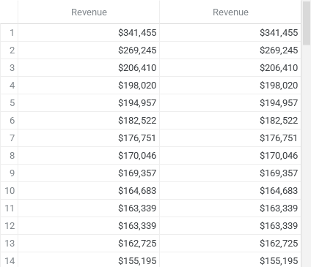
 |  |  |  |  |  | Betatech | $107,408
 |  |  |  |  |  | Sunnamplex | $106,754
 |  |  |  |  |  | Groovestreet | $106,098
 |  |  |  |  |  | Sonron | $103,673
 |  |  |  |  |  | J-Texon | $102,610
 |  |  |  |  |  | Acme Corporation | $101,744
 |  |  |  |  |  | Domzoom | $99,639
 |  |  |  |  |  | Green-Plus | $99,293
 |  |  |  |  |  | Betasoloin | $97,036
 |  |  |  |  |  | Kinnamplus | $95,060
 |  |  |  |  |  | Bioholding | $90,991
 |  |  |  |  |  | Massive Dynamic | $90,110
 |  |  |  |  |  | Initech | $89,792
 |  |  |  |  |  | Bubba Gump | $89,248
 |  |  |  |  |  | Plusstrip | $89,208
Revenue vs Manager
 |  |  |  |  |  | Blackzim | $87,715
 |  |  |  |  |  | Zencorporation | $86,690
 |  |  |  |  |  | Toughzap | $85,902
 |  |  |  |  |  | Gogozoom | $85,047
 |  |  |  |  |  | Rantouch | $84,754
 |  |  |  |  |  | Silis | $83,816
 |  |  |  |  |  | Newex | $82,622
 |  |  |  |  |  | Scottech | $82,360
 |  |  |  |  |  | Doncon | $82,118
 |  |  |  |  |  | Opentech | $78,669
 |  |  |  |  |  | Zumgoity | $78,237
Revenue vs Product Series
 |  |  |  |  |  | Dalttechnology | $77,936
 |  |  |  |  |  | Zoomit | $76,684
 |  |  |  |  |  | The New York Inquirer | $76,636
 |  |  |  |  |  | Yearin | $75,424
 |  |  |  |  |  | Iselectrics | $72,543
 |  |  |  |  |  | Konmatfix | $72,457
 |  |  |  |  |  | Bioplex | $67,393
 |  |  |  |  |  | Statholdings | $67,080
 |  |  |  |  |  | Nam-zim | $63,103
 |  |  |  |  |  | Sumace | $59,905
 |  |  |  |  |  | Bluth Company | $56,903
 |  |  |  |  |  | Donware | $56,637
 |  |  |  |  |  | Zathunicon | $55,616
 |  |  |  |  |  | Golddex | $51,632

Revenue vs Sales Agent

